Programme Coindre
 | Programme prévu | Programme réalisé | Pmax
1/24/2020 | 0 | 0.00 | 0
1/24/2020 | 0 | 0.00 | 0
1/24/2020 | 0 | 0.00 | 0
1/24/2020 | 0 | 0.00 | 0
1/24/2020 | 0 | 0.00 | 0
1/24/2020 | 0 | 0.00 | 0
1/24/2020 | 0 | 0.00 | 0
1/24/2020 | 0 | 21.99 | 0
1/24/2020 | 0 | 23.99 | 0
1/24/2020 | 0 | 23.41 | 0
1/24/2020 | 0 | 23.30 | 0
1/24/2020 | 0 | 18.87 | 0
1/24/2020 | 0 | 3.48 | 19
1/24/2020 | 0 | 0.00 | 0
1/24/2020 | 0 |  | 0
1/24/2020 | 0 |  | 0
1/24/2020 | 0 |  | 0
1/24/2020 | 0 |  | 0
1/24/2020 | 0 |  | 0
1/24/2020 | 0 |  | 0
1/24/2020 | 0 |  | 0
1/24/2020 | 0 |  | 0
1/24/2020 | 0 |  | 0
1/24/2020 | 0 |  | 0
1/25/2020 | 0 |  | 0
1/25/2020 | 0 |  | 0
1/25/2020 | 0 |  | 0
1/25/2020 | 0 |  | 0
1/25/2020 | 0 |  | 0
1/25/2020 | 0 |  | 0
1/25/2020 | 0 |  | 0
1/25/2020 | 0 |  | 0
1/25/2020 | 0 |  | 0
1/25/2020 | 0 |  | 0
1/25/2020 | 0 |  | 0
1/25/2020 | 0 |  | 0
1/25/2020 | 0 |  | 0
1/25/2020 | 0 |  | 0
1/25/2020 | 0 |  | 0
1/25/2020 | 0 |  | 0
1/25/2020 | 0 |  | 0
1/25/2020 | 0 |  | 0
1/25/2020 | 0 |  | 0
1/25/2020 | 0 |  | 0
1/25/2020 | 0 |  | 0
1/25/2020 | 0 |  | 0
1/25/2020 | 0 |  | 0
1/25/2020 | 0 |  | 0
1/26/2020 | 0 |  | 0
1/26/2020 | 0 |  | 0
...

Début | 2020-01-24 | 0
Fin | 2020-01-31 | 168
 |  | 14

Cote lacs
 | Cote GR | Cote Max GR | Cote Encl. GR | Cote Min GR | Cote GR réalisé | Cote GR ScenP20 | Cote GR ScenP80
1/24/2020 | 689.05 | 0 | 691.7 | 0 | 689.05 | 689.1 | 689.1
1/24/2020 | 0.00 | 0 | 691.7 | 0 | 689.19 | - | -
1/24/2020 | 0.00 | 0 | 691.7 | 0 | 689.33 | - | -
1/24/2020 | 0.00 | 0 | 691.7 | 0 | 689.46 | - | -
1/24/2020 | 0.00 | 0 | 691.7 | 0 | 689.59 | - | -
1/24/2020 | 0.00 | 0 | 691.7 | 0 | 689.73 | - | -
1/24/2020 | 0.00 | 0 | 691.7 | 0 | 689.85 | - | -
1/24/2020 | 0.00 | 0 | 691.7 | 0 | 689.95 | - | -
1/24/2020 | 0.00 | 0 | 691.7 | 0 | 689.78 | - | -
1/24/2020 | 0.00 | 0 | 691.7 | 0 | 689.61 | - | -
1/24/2020 | 0.00 | 0 | 691.7 | 0 | 689.43 | - | -
1/24/2020 | 0.00 | 0 | 691.7 | 0 | 689.25 | - | -
1/24/2020 | 0.00 | 0 | 691.7 | 0 | 689.11 | - | -
1/24/2020 | 689.14 | 0 | 691.7 | 0 | 689.14 | 689.1 | 689.1
1/24/2020 | 0.00 | 0 | 691.7 | 0 |  | - | -
1/24/2020 | 0.00 | 0 | 691.7 | 0 |  | - | -
1/24/2020 | 0.00 | 0 | 691.7 | 0 |  | - | -
1/24/2020 | 0.00 | 0 | 691.7 | 0 |  | - | -
1/24/2020 | 0.00 | 0 | 691.7 | 0 |  | - | -
1/24/2020 | 0.00 | 0 | 691.7 | 0 |  | - | -
1/24/2020 | 0.00 | 0 | 691.7 | 0 |  | - | -
1/24/2020 | 0.00 | 0 | 691.7 | 0 |  | - | -
1/24/2020 | 0.00 | 0 | 691.7 | 0 |  | - | -
1/24/2020 | 0.00 | 0 | 691.7 | 0 |  | - | -
1/25/2020 | 0.00 | 0 | 691.7 | 0 |  | - | -
1/25/2020 | 0.00 | 0 | 691.7 | 0 |  | - | -
1/25/2020 | 0.00 | 0 | 691.7 | 0 |  | - | -
1/25/2020 | 0.00 | 0 | 691.7 | 0 |  | - | -
1/25/2020 | 0.00 | 0 | 691.7 | 0 |  | - | -
1/25/2020 | 0.00 | 0 | 691.7 | 0 |  | - | -
1/25/2020 | 0.00 | 0 | 691.7 | 0 |  | - | -
1/25/2020 | 0.00 | 0 | 691.7 | 0 |  | - | -
1/25/2020 | 0.00 | 0 | 691.7 | 0 |  | - | -
1/25/2020 | 0.00 | 0 | 691.7 | 0 |  | - | -
1/25/2020 | 0.00 | 0 | 691.7 | 0 |  | - | -
1/25/2020 | 0.00 | 0 | 691.7 | 0 |  | - | -
1/25/2020 | 0.00 | 0 | 691.7 | 0 |  | - | -
1/25/2020 | 0.00 | 0 | 691.7 | 0 |  | - | -
1/25/2020 | 0.00 | 0 | 691.7 | 0 |  | - | -
1/25/2020 | 0.00 | 0 | 691.7 | 0 |  | - | -
1/25/2020 | 0.00 | 0 | 691.7 | 0 |  | - | -
1/25/2020 | 0.00 | 0 | 691.7 | 0 |  | - | -
1/25/2020 | 0.00 | 0 | 691.7 | 0 |  | - | -
1/25/2020 | 0.00 | 0 | 691.7 | 0 |  | - | -
1/25/2020 | 0.00 | 0 | 691.7 | 0 |  | - | -
1/25/2020 | 0.00 | 0 | 691.7 | 0 |  | - | -
1/25/2020 | 0.00 | 0 | 691.7 | 0 |  | - | -
1/25/2020 | 0.00 | 0 | 691.7 | 0 |  | - | -
1/26/2020 | 0.00 | 0 | 691.7 | 0 |  | - | -
1/26/2020 | 0.00 | 0 | 691.7 | 0 |  | - | -
...

Début | 2020-01-24 | 0
Fin | 2020-01-31 | 168
 |  | 14

 | Etat Vanne PR | Cote PR | Cote Max PR | Cote Encl. PR | Cote Min PR | Cote PR réalisé | Cote PR ScenP20 | Cote PR ScenP80
 | 0 | 689.33 | 0.0 | 692.2 | 0.0 | 689.33 | 689.3 | 689.3
 | 0 | 0.00 | 0.0 | 692.2 | 0.0 | 689.50 | - | -
 | 0 | 0.00 | 0.0 | 692.2 | 0.0 | 689.65 | - | -
 | 0 | 0.00 | 0.0 | 692.2 | 0.0 | 689.79 | - | -
 | 0 | 0.00 | 0.0 | 692.2 | 0.0 | 689.93 | - | -
 | 0 | 0.00 | 0.0 | 692.2 | 0.0 | 690.06 | - | -
 | 0 | 0.00 | 0.0 | 692.2 | 0.0 | 690.19 | - | -
 | 0 | 0.00 | 0.0 | 692.2 | 0.0 | 690.21 | - | -
 | 0 | 0.00 | 0.0 | 692.2 | 0.0 | 689.44 | - | -
 | 0 | 0.00 | 0.0 | 692.2 | 0.0 | 688.63 | - | -
 | 0 | 0.00 | 0.0 | 692.2 | 0.0 | 687.81 | - | -
 | 0 | 0.00 | 0.0 | 692.2 | 0.0 | 686.96 | - | -
 | 0 | 0.00 | 0.0 | 692.2 | 0.0 | 686.72 | - | -
 | 0 | 688.15 | 0.0 | 692.2 | 0.0 | 688.15 | 688.2 | 688.2
 | 0 | 0.00 | 0.0 | 692.2 | 0.0 |  | - | -
 | 0 | 0.00 | 0.0 | 692.2 | 0.0 |  | - | -
 | 0 | 0.00 | 0.0 | 692.2 | 0.0 |  | - | -
 | 0 | 0.00 | 0.0 | 692.2 | 0.0 |  | - | -
 | 0 | 0.00 | 0.0 | 692.2 | 0.0 |  | - | -
 | 0 | 0.00 | 0.0 | 692.2 | 0.0 |  | - | -
 | 0 | 0.00 | 0.0 | 692.2 | 0.0 |  | - | -
 | 0 | 0.00 | 0.0 | 692.2 | 0.0 |  | - | -
 | 0 | 0.00 | 0.0 | 692.2 | 0.0 |  | - | -
 | 0 | 0.00 | 0.0 | 692.2 | 0.0 |  | - | -
 | 0 | 0.00 | 0.0 | 692.2 | 0.0 |  | - | -
 | 0 | 0.00 | 0.0 | 692.2 | 0.0 |  | - | -
 | 0 | 0.00 | 0.0 | 692.2 | 0.0 |  | - | -
 | 0 | 0.00 | 0.0 | 692.2 | 0.0 |  | - | -
 | 0 | 0.00 | 0.0 | 692.2 | 0.0 |  | - | -
 | 0 | 0.00 | 0.0 | 692.2 | 0.0 |  | - | -
 | 0 | 0.00 | 0.0 | 692.2 | 0.0 |  | - | -
 | 0 | 0.00 | 0.0 | 692.2 | 0.0 |  | - | -
 | 0 | 0.00 | 0.0 | 692.2 | 0.0 |  | - | -
 | 0 | 0.00 | 0.0 | 692.2 | 0.0 |  | - | -
 | 0 | 0.00 | 0.0 | 692.2 | 0.0 |  | - | -
 | 0 | 0.00 | 0.0 | 692.2 | 0.0 |  | - | -
 | 0 | 0.00 | 0.0 | 692.2 | 0.0 |  | - | -
 | 0 | 0.00 | 0.0 | 692.2 | 0.0 |  | - | -
 | 0 | 0.00 | 0.0 | 692.2 | 0.0 |  | - | -
 | 0 | 0.00 | 0.0 | 692.2 | 0.0 |  | - | -
 | 0 | 0.00 | 0.0 | 692.2 | 0.0 |  | - | -
 | 0 | 0.00 | 0.0 | 692.2 | 0.0 |  | - | -
 | 0 | 0.00 | 0.0 | 692.2 | 0.0 |  | - | -
 | 0 | 0.00 | 0.0 | 692.2 | 0.0 |  | - | -
 | 0 | 0.00 | 0.0 | 692.2 | 0.0 |  | - | -
 | 0 | 0.00 | 0.0 | 692.2 | 0.0 |  | - | -
 | 0 | 0.00 | 0.0 | 692.2 | 0.0 |  | - | -
 | 0 | 0.00 | 0.0 | 692.2 | 0.0 |  | - | -
 | 0 | 0.00 | 0.0 | 692.2 | 0.0 |  | - | -
 | 0 | 0.00 | 0.0 | 692.2 | 0.0 |  | - | -
...

Apports
 | Prévisions apports Grande Rhue | Apports réalisés Grande Rhue | Prévisions P80 | Prévisions P20
1/24/2020 | 0.0 | 9.2 | 0.0 | 0.0
1/24/2020 | 0.0 | 9.9 | 0.0 | 0.0
1/24/2020 | 0.0 | 9.8 | 0.0 | 0.0
1/24/2020 | 0.0 | 9.3 | 0.0 | 0.0
1/24/2020 | 0.0 | 9.1 | 0.0 | 0.0
1/24/2020 | 0.0 | 9.0 | 0.0 | 0.0
1/24/2020 | 0.0 | 8.7 | 0.0 | 0.0
1/24/2020 | 0.0 | 8.0 | 0.0 | 0.0
1/24/2020 | 0.0 | 7.0 | 0.0 | 0.0
1/24/2020 | 0.0 | 6.9 | 0.0 | 0.0
1/24/2020 | 0.0 | 6.5 | 0.0 | 0.0
1/24/2020 | 0.0 | 6.0 | 0.0 | 0.0
1/24/2020 | 0.0 | 6.8 | 0.0 | 0.0
1/24/2020 | 0.0 | 8.1 | 0.0 | 0.0
1/24/2020 | 0.0 |  | 0.0 | 0.0
1/24/2020 | 0.0 |  | 0.0 | 0.0
1/24/2020 | 0.0 |  | 0.0 | 0.0
1/24/2020 | 0.0 |  | 0.0 | 0.0
1/24/2020 | 0.0 |  | 0.0 | 0.0
1/24/2020 | 0.0 |  | 0.0 | 0.0
1/24/2020 | 0.0 |  | 0.0 | 0.0
1/24/2020 | 0.0 |  | 0.0 | 0.0
1/24/2020 | 0.0 |  | 0.0 | 0.0
1/24/2020 | 0.0 |  | 0.0 | 0.0
1/25/2020 | 0.0 |  | 0.0 | 0.0
1/25/2020 | 0.0 |  | 0.0 | 0.0
1/25/2020 | 0.0 |  | 0.0 | 0.0
1/25/2020 | 0.0 |  | 0.0 | 0.0
1/25/2020 | 0.0 |  | 0.0 | 0.0
1/25/2020 | 0.0 |  | 0.0 | 0.0
1/25/2020 | 0.0 |  | 0.0 | 0.0
1/25/2020 | 0.0 |  | 0.0 | 0.0
1/25/2020 | 0.0 |  | 0.0 | 0.0
1/25/2020 | 0.0 |  | 0.0 | 0.0
1/25/2020 | 0.0 |  | 0.0 | 0.0
1/25/2020 | 0.0 |  | 0.0 | 0.0
1/25/2020 | 0.0 |  | 0.0 | 0.0
1/25/2020 | 0.0 |  | 0.0 | 0.0
1/25/2020 | 0.0 |  | 0.0 | 0.0
1/25/2020 | 0.0 |  | 0.0 | 0.0
1/25/2020 | 0.0 |  | 0.0 | 0.0
1/25/2020 | 0.0 |  | 0.0 | 0.0
1/25/2020 | 0.0 |  | 0.0 | 0.0
1/25/2020 | 0.0 |  | 0.0 | 0.0
1/25/2020 | 0.0 |  | 0.0 | 0.0
1/25/2020 | 0.0 |  | 0.0 | 0.0
1/25/2020 | 0.0 |  | 0.0 | 0.0
1/25/2020 | 0.0 |  | 0.0 | 0.0
1/26/2020 | 0.0 |  | 0.0 | 0.0
1/26/2020 | 0.0 |  | 0.0 | 0.0
...

Début | 2020-01-24 | 0
Fin | 2020-01-31 | 168
 |  | 14

 | Prévisions apports Petite Rhue | Apports réalisés Petite Rhue | Prévisions P20 | Prévisions P80
1/24/2020 | 0.0 | 4.6 | 0.0 | 0.0
1/24/2020 | 0.0 | 3.7 | 0.0 | 0.0
1/24/2020 | 0.0 | 3.6 | 0.0 | 0.0
1/24/2020 | 0.0 | 3.5 | 0.0 | 0.0
1/24/2020 | 0.0 | 3.5 | 0.0 | 0.0
1/24/2020 | 0.0 | 3.4 | 0.0 | 0.0
1/24/2020 | 0.0 | 3.3 | 0.0 | 0.0
1/24/2020 | 0.0 | 3.1 | 0.0 | 0.0
1/24/2020 | 0.0 | 2.8 | 0.0 | 0.0
1/24/2020 | 0.0 | 3.1 | 0.0 | 0.0
1/24/2020 | 0.0 | 3.5 | 0.0 | 0.0
1/24/2020 | 0.0 | 4.1 | 0.0 | 0.0
1/24/2020 | 0.0 | 5.3 | 0.0 | 0.0
1/24/2020 | 0.0 | 5.5 | 0.0 | 0.0
1/24/2020 | 0.0 |  | 0.0 | 0.0
1/24/2020 | 0.0 |  | 0.0 | 0.0
1/24/2020 | 0.0 |  | 0.0 | 0.0
1/24/2020 | 0.0 |  | 0.0 | 0.0
1/24/2020 | 0.0 |  | 0.0 | 0.0
1/24/2020 | 0.0 |  | 0.0 | 0.0
1/24/2020 | 0.0 |  | 0.0 | 0.0
1/24/2020 | 0.0 |  | 0.0 | 0.0
1/24/2020 | 0.0 |  | 0.0 | 0.0
1/24/2020 | 0.0 |  | 0.0 | 0.0
1/25/2020 | 0.0 |  | 0.0 | 0.0
1/25/2020 | 0.0 |  | 0.0 | 0.0
1/25/2020 | 0.0 |  | 0.0 | 0.0
1/25/2020 | 0.0 |  | 0.0 | 0.0
1/25/2020 | 0.0 |  | 0.0 | 0.0
1/25/2020 | 0.0 |  | 0.0 | 0.0
1/25/2020 | 0.0 |  | 0.0 | 0.0
1/25/2020 | 0.0 |  | 0.0 | 0.0
1/25/2020 | 0.0 |  | 0.0 | 0.0
1/25/2020 | 0.0 |  | 0.0 | 0.0
1/25/2020 | 0.0 |  | 0.0 | 0.0
1/25/2020 | 0.0 |  | 0.0 | 0.0
1/25/2020 | 0.0 |  | 0.0 | 0.0
1/25/2020 | 0.0 |  | 0.0 | 0.0
1/25/2020 | 0.0 |  | 0.0 | 0.0
1/25/2020 | 0.0 |  | 0.0 | 0.0
1/25/2020 | 0.0 |  | 0.0 | 0.0
1/25/2020 | 0.0 |  | 0.0 | 0.0
1/25/2020 | 0.0 |  | 0.0 | 0.0
1/25/2020 | 0.0 |  | 0.0 | 0.0
1/25/2020 | 0.0 |  | 0.0 | 0.0
1/25/2020 | 0.0 |  | 0.0 | 0.0
1/25/2020 | 0.0 |  | 0.0 | 0.0
1/25/2020 | 0.0 |  | 0.0 | 0.0
1/26/2020 | 0.0 |  | 0.0 | 0.0
1/26/2020 | 0.0 |  | 0.0 | 0.0
...

 | Prévision apports totaux | "Apports réalisés totaux"
1/24/2020 | - | 13.7
1/24/2020 | - | 13.6
1/24/2020 | - | 13.4
1/24/2020 | - | 12.9
1/24/2020 | - | 12.6
1/24/2020 | - | 12.4
1/24/2020 | - | 12.0
1/24/2020 | - | 11.1
1/24/2020 | - | 9.9
1/24/2020 | - | 10.0
1/24/2020 | - | 10.0
1/24/2020 | - | 10.1
1/24/2020 | - | 12.1
1/24/2020 | - | 13.6
1/24/2020 | -
1/24/2020 | -
1/24/2020 | -
1/24/2020 | -
1/24/2020 | -
1/24/2020 | -
1/24/2020 | -
1/24/2020 | -
1/24/2020 | -
1/24/2020 | -
1/25/2020 | -
1/25/2020 | -
1/25/2020 | -
1/25/2020 | -
1/25/2020 | -
1/25/2020 | -
1/25/2020 | -
1/25/2020 | -
1/25/2020 | -
1/25/2020 | -
1/25/2020 | -
1/25/2020 | -
1/25/2020 | -
1/25/2020 | -
1/25/2020 | -
1/25/2020 | -
1/25/2020 | -
1/25/2020 | -
1/25/2020 | -
1/25/2020 | -
1/25/2020 | -
1/25/2020 | -
1/25/2020 | -
1/25/2020 | -
1/26/2020 | -
1/26/2020 | -
...

Conversion
RD : Reference Data
 |  |  |  |  |  |  |  |  |  |  | 1 | Lundi
 |  |  |  |  |  |  |  |  |  |  | 2 | Mardi
 |  |  |  |  |  |  |  |  |  |  | 3 | Mercredi
 |  |  |  |  |  |  |  |  |  |  | 4 | Jeudi
 | Conversion Turbinage débit MW / M3/s | Effi | Débit Max | P Max |  |  |  |  |  |  | 5 | Vendredi
HDX RD | Coindre | 0.000215 | 5.3317 | 20.00027304 |  |  |  |  |  |  | 6 | Samedi
 |  |  |  |  |  |  |  |  |  |  | 7 | Dimanche
 | New efficiencies
 | Régime Power [MW] | Vlookup | k [MWh/m3] | Qtot | Qk | corr-lin |  | comp1 | comp2 | comp3 | comp4 | max | error
 | 9 | 0 | 0.000173 | 14.467592593 | 11.363636364 | 3.103956229 | 0.27314814815 | 14.467592593 |  |  |  | 14.467592593 | 0
 | 18 | 15 | 0.000216 | 23.148148148 | 22.727272727 | 0.42087542088 | 0.018518518519 | 23.148148148 | 23.148148148 |  |  | 23.148148148 | 0
 | 24 | 22 | 0.000208656 | 31.950515042 | 30.303030303 | 1.6474847393 | 0.054366996396 |  | 31.950515042 | 31.950515042 |  | 31.950515042 | 0
 | 28 | 26 | 0.000201528 | 38.594030496 | 35.353535354 | 3.2404951424 | 0.091659719741 |  |  | 38.594030496 |  | 38.594030496 | 0
 | 34 | 30 | 0.0001944 | 48.58253315 | 42.929292929 | 5.6532402211 | 0.1316872428 |  |  | 48.559303676 | 48.559303676 | 48.559303676 | 0.023229474138
 | 36 |  | 0.0001944 | 52.5 | 45.454545455 | 7.0454545455 | 0.155 |  |  |  | 52.476770526 | 52.476770526 | 0.023229474138

 | Correction | 1 |  |  |  |  | alpha | 0.96450617284 | 1.467061149 | 1.6608788634 | 1.9587334248
 | K_ref | 0.000216 |  |  |  |  | beta | 5.787037037 | -3.2589525343 | -7.9105776793 | -18.037632766
 | Impact_Z | look in Qtot

 | Qk | comp1 | comp2 | comp3 | comp4
9 | 11.363636364 | 14.467592593
18 | 22.727272727 | 23.148148148 | 23.148148148
24 | 30.303030303 |  | 31.950515042 | 31.950515042
28 | 35.353535354 |  |  | 38.594030496
34 | 42.929292929 |  |  | 48.559303676 | 48.559303676
36 | 45.454545455 |  |  |  | 52.476770526

Contraintes V
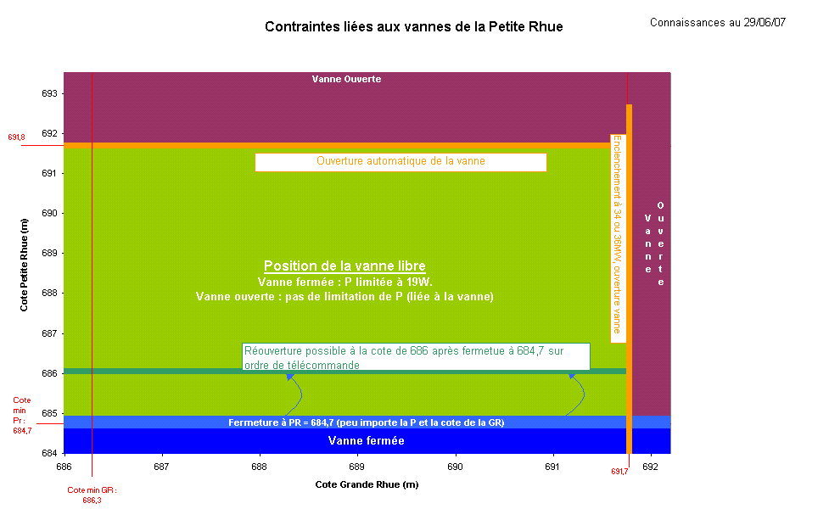

Contraintes P
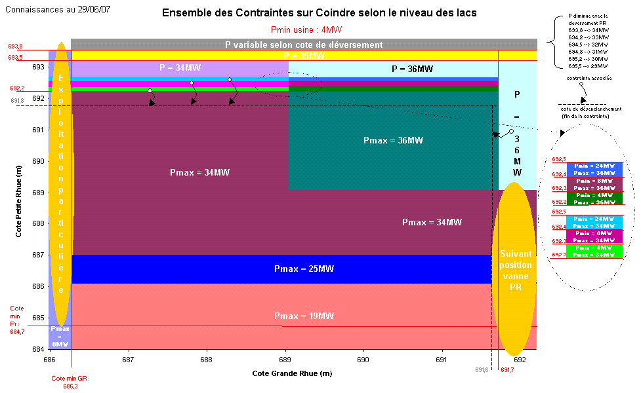

Emergency
Export back-up
J
Export back-up
J+1
 |  | 2020-01-24
 |  | 0:00:00

Plans de procution et flux pour process de backup
J | 2020-01-24 | 2020-01-24 01:00:00 | 2020-01-24 02:00:00 | 2020-01-24 03:00:00 | 2020-01-24 04:00:00 | 2020-01-24 05:00:00 | 2020-01-24 06:00:00 | 2020-01-24 07:00:00 | 2020-01-24 08:00:00 | 2020-01-24 09:00:00 | 2020-01-24 10:00:00 | 2020-01-24 11:00:00 | 2020-01-24 12:00:00 | 2020-01-24 13:00:00 | 2020-01-24 14:00:00 | 2020-01-24 15:00:00 | 2020-01-24 16:00:00 | 2020-01-24 17:00:00 | 2020-01-24 18:00:00 | 2020-01-24 19:00:00 | 2020-01-24 20:00:00 | 2020-01-24 21:00:00 | 2020-01-24 22:00:00 | 2020-01-24 23:00:00
 | 1 | 2 | 3 | 4 | 5 | 6 | 7 | 8 | 9 | 10 | 11 | 12 | 13 | 14 | 15 | 16 | 17 | 18 | 19 | 20 | 21 | 22 | 23 | 24
Vanne | F | F | F | F | F | F | F | F | F | F | F | F | F | F | F | F | F | F | F | F | F | F | F | F
Coindre | 0 | 0 | 0 | 0 | 0 | 0 | 0 | 0 | 0 | 0 | 0 | 0 | 0 | 0 | 0 | 0 | 0 | 0 | 0 | 0 | 0 | 0 | 0 | 0
Flow | 0.0 | 0.0 | 0.0 | 0.0 | 0.0 | 0.0 | 0.0 | 27.8 | 31.5 | 30.8 | 30.8 | 24.2 | 5.6 | 0.0 | #VALUE! | #VALUE! | #VALUE! | #VALUE! | #VALUE! | #VALUE! | #VALUE! | #VALUE! | #VALUE! | #VALUE!

J+1 | 2020-01-25 | 2020-01-25 01:00:00 | 2020-01-25 02:00:00 | 2020-01-25 03:00:00 | 2020-01-25 04:00:00 | 2020-01-25 05:00:00 | 2020-01-25 06:00:00 | 2020-01-25 07:00:00 | 2020-01-25 08:00:00 | 2020-01-25 09:00:00 | 2020-01-25 10:00:00 | 2020-01-25 11:00:00 | 2020-01-25 12:00:00 | 2020-01-25 13:00:00 | 2020-01-25 14:00:00 | 2020-01-25 15:00:00 | 2020-01-25 16:00:00 | 2020-01-25 17:00:00 | 2020-01-25 18:00:00 | 2020-01-25 19:00:00 | 2020-01-25 20:00:00 | 2020-01-25 21:00:00 | 2020-01-25 22:00:00 | 2020-01-25 23:00:00
 | 1 | 2 | 3 | 4 | 5 | 6 | 7 | 8 | 9 | 10 | 11 | 12 | 13 | 14 | 15 | 16 | 17 | 18 | 19 | 20 | 21 | 22 | 23 | 24
Vanne | F | F | F | F | F | F | F | F | F | F | F | F | F | F | F | F | F | F | F | F | F | F | F | F
Coindre | 0 | 0 | 0 | 0 | 0 | 0 | 0 | 0 | 0 | 0 | 0 | 0 | 0 | 0 | 0 | 0 | 0 | 0 | 0 | 0 | 0 | 0 | 0 | 0
Flow | #VALUE! | #VALUE! | #VALUE! | #VALUE! | #VALUE! | #VALUE! | #VALUE! | #VALUE! | #VALUE! | #VALUE! | #VALUE! | #VALUE! | #VALUE! | #VALUE! | #VALUE! | #VALUE! | #VALUE! | #VALUE! | #VALUE! | #VALUE! | #VALUE! | #VALUE! | #VALUE! | #VALUE!

